Example 6-2
A company is planning to install a new automated plastic-molding press. Four different presses are available. The initial capital investments and annual expenses for these four mutually exclusive alternatives are shown in the table. Assume that each press has the same output capacity (120,000 units per year) and has no market value at the end of its useful life; the selected analysis period is five years; and any additional capital invested is expected to earn at least 10% per year. Which press should be chosen if 120,000 non-defective units per year are produced by each press and all units can be sold? The selling price is $0.375 per unit.
MARR = | 10.00% |  | Annual Output Capacity = | 120000
Useful Life = | 5 |  | Selling Price = | $0.375

Expenses | P1 | P2 | P3 | P4
Capital Investment = | -$24,000.00 | -$30,400.00 | -$49,600.00 | -$52,000.00
Power = | -$2,720.00 | -$2,720.00 | -$4,800.00 | -$5,040.00
Labor = | -$26,400.00 | -$24,000.00 | -$16,800.00 | -$14,800.00
Maintenance = | -$1,600.00 | -$1,800.00 | -$2,600.00 | -$2,000.00
Property Tax & Insurance = | -$480.00 | -$608.00 | -$992.00 | -$1,040.00
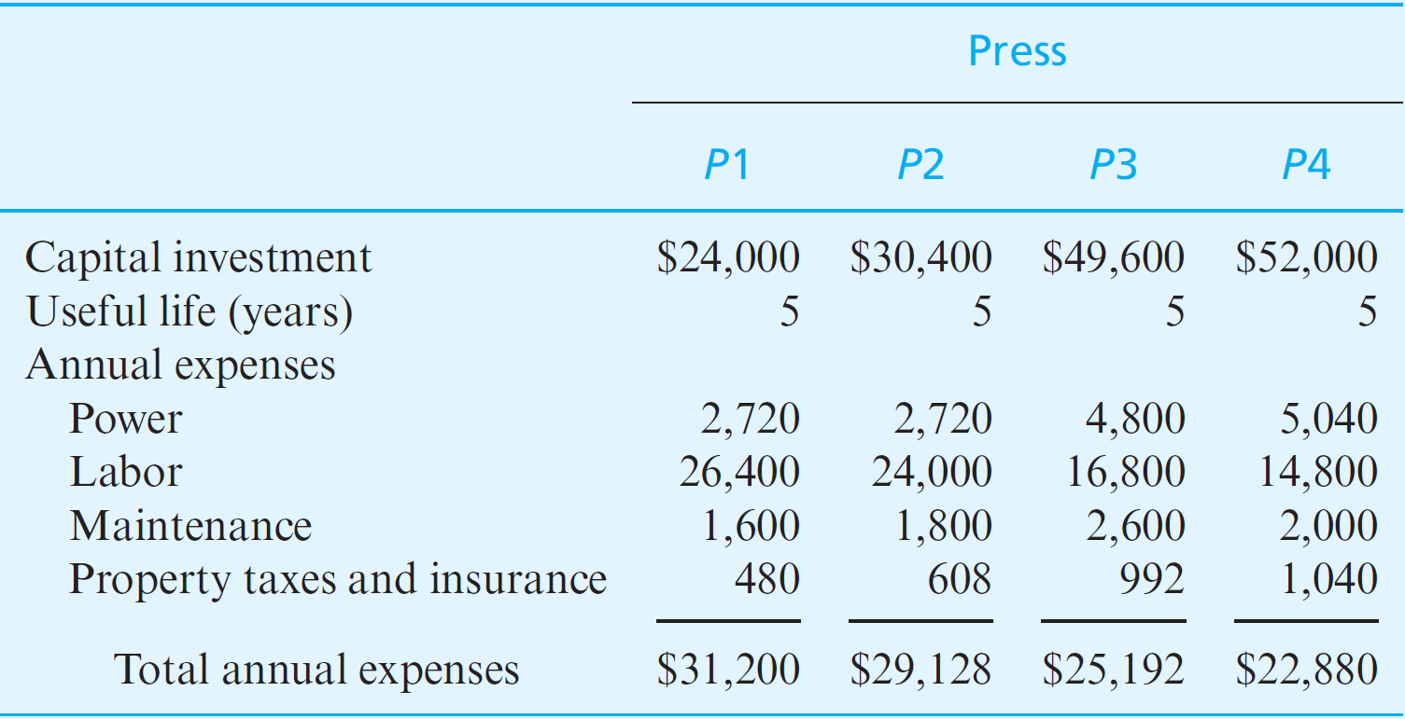
Total Annual Expenses | -$31,200.00 | -$29,128.00 | -$25,192.00 | -$22,880.00

EOY | P1 | P2 | P3 | P4
0 | -$24,000.00 | -$30,400.00 | -$49,600.00 | -$52,000.00
1 | -$31,200.00 | -$29,128.00 | -$25,192.00 | -$22,880.00
2 | -$31,200.00 | -$29,128.00 | -$25,192.00 | -$22,880.00
3 | -$31,200.00 | -$29,128.00 | -$25,192.00 | -$22,880.00
4 | -$31,200.00 | -$29,128.00 | -$25,192.00 | -$22,880.00
5 | -$31,200.00 | -$29,128.00 | -$25,192.00 | -$22,880.00

PW = | -$142,272.55 | -$140,818.04 | -$145,097.50 | -$138,733.20
AW = | -$37,531.14 | -$37,147.44 | -$38,276.36 | -$36,597.47
FW = | -$229,131.36 | -$226,788.86 | -$233,680.98 | -$223,431.21
Alternate Methods
PW = | -$142,272.55 | -$140,818.04 | -$145,097.50 | -$138,733.20
AW = | -$37,531.14 | -$37,147.44 | -$38,276.36 | -$36,597.47
FW = | -$229,131.36 | -$226,788.86 | -$233,680.98 | -$223,431.21

Example 6-3
A company is planning to install a new automated plastic-molding press. Four different presses are available. The initial capital investments and annual expenses for these four mutually exclusive alternatives are shown in the table. Assume that each press has the same output capacity (120,000 units per year) and has no market value at the end of its useful life; the selected analysis period is five years; and any additional capital invested is expected to earn at least 10% per year. Which press should be chosen if 120,000 non-defective units per year are produced by each press and all units can be sold? The selling price is $0.375 per unit.
MARR = | 10.00% |  | Annual Output Capacity = | 120000
Useful Life = | 5 |  | Selling Price = | $0.375

Expenses | P1 | P2 | P3 | P4
Capital Investment = | -$24,000.00 | -$30,400.00 | -$49,600.00 | -$52,000.00
Power = | -$2,720.00 | -$2,720.00 | -$4,800.00 | -$5,040.00
Labor = | -$26,400.00 | -$24,000.00 | -$16,800.00 | -$14,800.00
Maintenance = | -$1,600.00 | -$1,800.00 | -$2,600.00 | -$2,000.00
Property Tax & Insurance = | -$480.00 | -$608.00 | -$992.00 | -$1,040.00

Total Annual Expenses | -$31,200.00 | -$29,128.00 | -$25,192.00 | -$22,880.00

Reject Rates | 8.40% | 0.30% | 2.60% | 5.60%
Revenue | $41,220.00 | $44,865.00 | $43,830.00 | $42,480.00

EOY | P1 | P2 | P3 | P4
0 | -$24,000.00 | -$30,400.00 | -$49,600.00 | -$52,000.00
1 | $10,020.00 | $15,737.00 | $18,638.00 | $19,600.00
2 | $10,020.00 | $15,737.00 | $18,638.00 | $19,600.00
3 | $10,020.00 | $15,737.00 | $18,638.00 | $19,600.00
4 | $10,020.00 | $15,737.00 | $18,638.00 | $19,600.00
5 | $10,020.00 | $15,737.00 | $18,638.00 | $19,600.00

PW = | $13,983.68 | $29,255.61 | $21,052.68 | $22,299.42
AW = | $3,688.86 | $7,717.56 | $5,553.64 | $5,882.53
FW = | $22,520.86 | $47,116.45 | $33,905.56 | $35,913.44
Alternate Methods
PW = | $13,983.68 | $29,255.61 | $21,052.68 | $22,299.42
AW = | $3,688.86 | $7,717.56 | $5,553.64 | $5,882.53
FW = | $22,520.86 | $47,116.45 | $33,905.56 | $35,913.44

